Introduction
SECTION 01 GROUP 10
FT271003- Gayathri Rajesh
FT271021-Sampath Kumar Shreepad Kulkarni
FT271025-Jasmin Jariwala
FT271049-Ankit Agrawal
FT271063-Jeevitha C
FT271070-Barun Agarwal
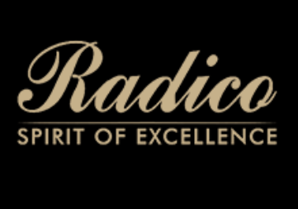
INTRODUCTION
Main Company | Competitor
Radico Khaitan Ltd | United Spirits Ltd



Radico Khaitan is one of the oldest and most resilient Indian liquor powerhouses. Originally a bulk spirit distiller, it successfully pivoted into a brand-led consumer goods company.
Products & Services: Offers a robust portfolio across luxury, premium, and regular categories. Key growth drivers include Magic Moments Vodka (dominating the domestic market), Morpheus Brandy, Rampur Indian Single Malt Whisky, and Jaisalmer Indian Craft Gin.
Strategy: Heavy focus on backward integration (producing its own Extra Neutral Alcohol - ENA) and aggressive premium brand launches to capture high-margin segments.
Market Operation Regions
India
ROW
Revenue Bifurcation
India: 93% of total revenue
Outside India: 7% of total revenue​
United Spirits is the undisputed market leader in India by volume and value, backed by global spirits giant Diageo.
Products & Services: Spans the entire spectrum of spirits with a clear demarcation between its "Prestige & Above" and "Popular" segments. Iconic brands include McDowell's No. 1, Royal Challenge, Signature, Antiquity, alongside luxury imports like Johnnie Walker and Tanqueray.
Strategy: USL recently executed a massive strategic shift, selling off or franchising 32 of its lower-margin "Popular" brands to Inbrew Beverages. It is now a hyper-focused, premium-and-luxury player.
Market Operations:
Primary Markets:
India
ROW (minimal)
Revenue Bifurcation:
India: 99.3% of total revenue.
Outside India: 0.7% of total revenue.

Sales Trend
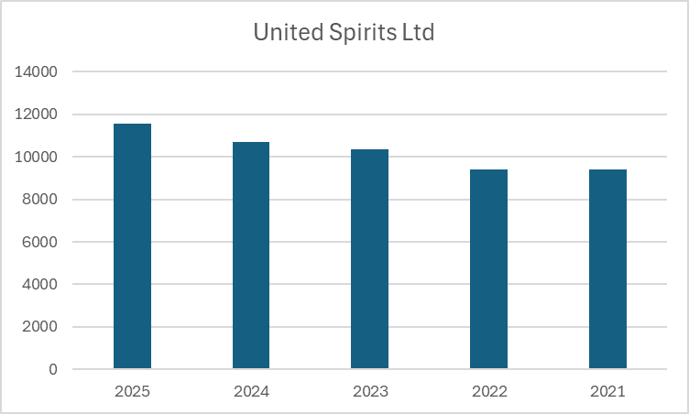
Trend in Sales
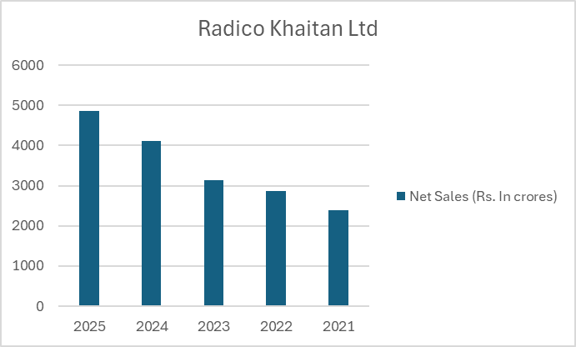
Radico Khaitan Ltd.
Year | 2025-03-25 | 2026-03-24 | 2026-03-23 | 2026-03-22 | 2026-03-21
Net Sales (Rs. In crores) | 4851.2 | 4118.5 | 3142.8 | 2868 | 2398.8
YOY Sales Growth | 17.79% | 31.05% | 9.58% | 19.56% | -

United Spirits Ltd.
Year | 2025-03-25 | 2026-03-24 | 2026-03-23 | 2026-03-22 | 2026-03-21
Net Sales (Rs. In crores) | 11573 | 10692 | 10373.7 | 9423.7 | 9405.5
YOY Sales Growth | 8.24% | 3.07% | 10.08% | 0.19% | -

Asset Growth Rate
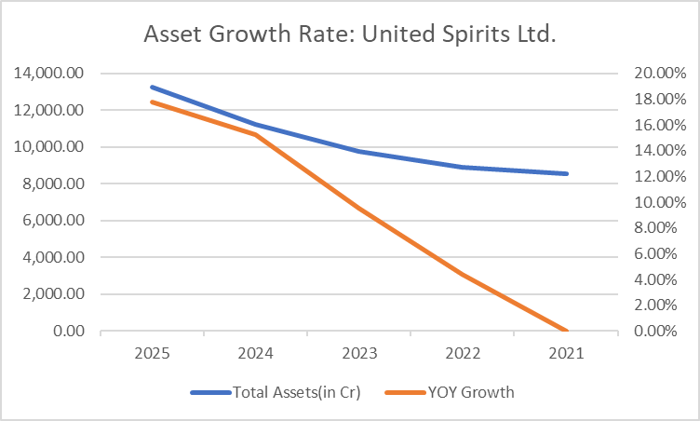
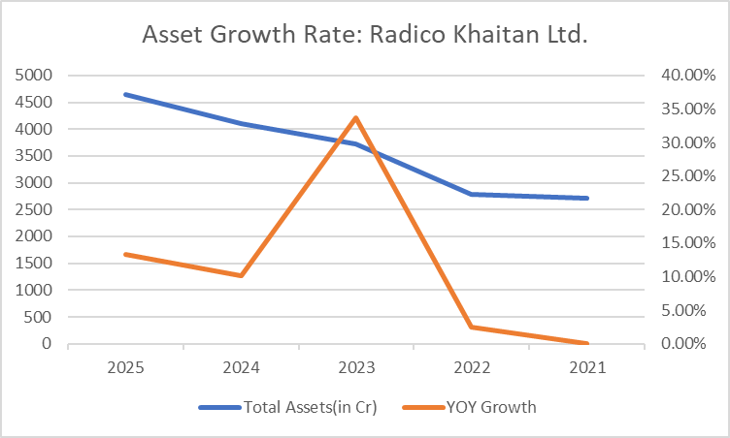
ASSET GROWTH RATE
Radico Khaitan Ltd.
Year | 2025-03-25 | 2026-03-24 | 2026-03-23 | 2026-03-22 | 2026-03-21
Total Assets(in Cr) | 4638.956 | 4094.983 | 3719.088 | 2781.192 | 2714.362
YOY Growth | 13.28% | 10.11% | 33.72% | 2.46% | -

United Spirits Ltd.
Year | 2025-03-25 | 2026-03-24 | 2026-03-23 | 2026-03-22 | 2026-03-21
Total Assets(in Cr) | 13,248.00 | 11,249.00 | 9,761.50 | 8,911.30 | 8,537.00
YOY Growth | 17.77% | 15.24% | 9.54% | 4.38% | -

Profit
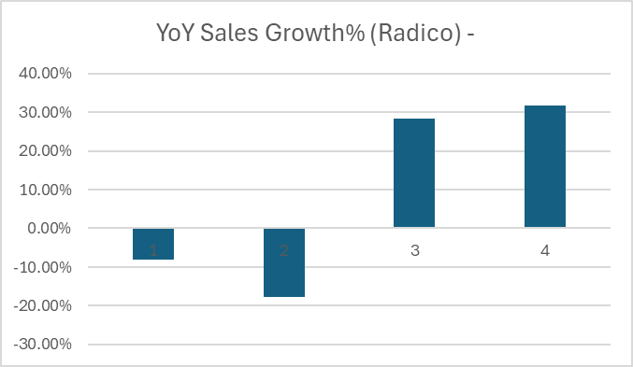
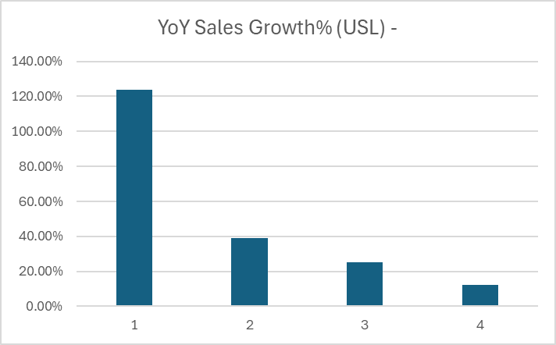
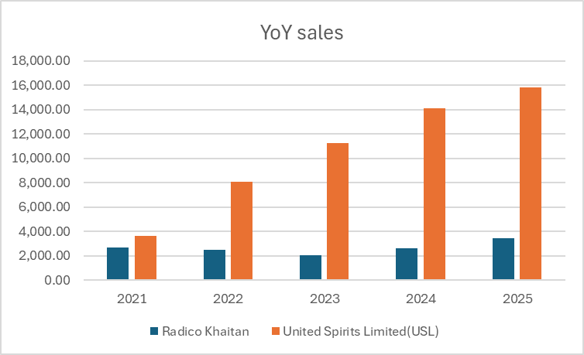
PROFIT OVER THE YEARS
TOTAL PROFIT(in Millions)
 | 2020-21 | 2021-22 | 2022-23 | 2023-24 | 2024-25 | YOY
Radico Khaitan | 2,705.64 | 2,485.43 | 2,043.72 | 2,621.75 | 3,456.11 | 31.82%
YoY Sales Growth% (Radico) | - | -8.14% | -17.77% | 28.28% | 31.82%
United Spirits Limited(USL) | 3,621.00 | 8,106.00 | 11,258.00 | 14,080.00 | 15820 | 12.36%
YoY Sales Growth% (USL) | - | 123.86% | 38.88% | 25.07% | 12.36%

Performance
PERFORMANCE ANALYSIS
Employess Headcount
 | Radico Khaitan | YoY Growth% (Radico) | United Spirits Limited(USL) | YoY Growth% (USL) | YoY Growth% (USL)
 | 0 | 1179 | 0.00% | 3261 | 0.00%
 | 0 | 1196 | 1.44% | 3145 | -3.56%
 | 0 | 1329 | 11.12% | 2957 | -5.98%
 | 0 | 1469 | 10.53% | 2598 | -12.14%
 | 0 | 1494 | 1.70% | 2420 | -6.85%
 | 0 | 0.01701837985 |  | -0.068514241724
Radico Khaitan: Has steadily expanded its workforce from 1,179 in 2020-21 to 1,494 in 2024-25, showing a modest YoY growth of 1.70% in the final year.
United Spirits Limited (USL): Conversely, USL has continuously streamlined its operations, reducing its workforce year-on-year from 3,261 to 2,420 (a -6.85% decline in the final year).
While Radico is in an expansionary phase, USL appears to be focusing on operational restructuring, automation, or lean management to drive efficiency.
TOTAL EMPLOYEES
 | 2020-21 | 2021-22 | 2022-23 | 2023-24 | 2024-25 | YOY
Radico Khaitan | 1179 | 1196 | 1329 | 1469 | 1494 | 1.70%
YoY Growth% (Radico) | - | 1.44% | 11.12% | 10.53% | 1.70%
United Spirits Limited(USL) | 3261 | 3145 | 2957 | 2598 | 2420 | -6.85% | ←
YoY Growth% (USL) | - | -3.56% | -5.98% | -12.14% | -6.85%

TOTAL SALES(in crores)
 | 2020-21 | 2021-22 | 2022-23 | 2023-24 | 2024-25 | YOY
Radico Khaitan | 2,398.80 | 2,868.00 | 3,142.80 | 4,118.50 | 4,851.20 | 17.79%
YoY Sales Growth% (Radico) | - | 19.56% | 9.58% | 31.05% | 17.79%
Total Sales in Crores
 | Radico Khaitan | YoY Sales Growth% (Radico) | United Spirits Limited(USL) | YoY Sales Growth% (USL) | YoY Sales Growth% (USL)
 | 0 | 2,398.80 | 0.00% | 9405.5 | 0.00%
 | 0 | 2,868.00 | 19.56% | 9423.7 | 0.19%
 | 0 | 3,142.80 | 9.58% | 10373.7 | 10.08%
 | 0 | 4,118.50 | 31.05% | 10692 | 3.07%
 | 0 | 4,851.20 | 17.79% | 11573 | 8.24%
 | 0 | 0.18 |  | 0.08239805462
United Spirits Limited(USL) | 9405.5 | 9423.7 | 10373.7 | 10692 | 11573 | 8.24%
Radico Khaitan: Achieved consistent, robust revenue growth. Sales grew from 2,398.80 crores to 4,851.20 crores, finishing strong with a 17.79% YoY growth rate in 2024-25. Its peak growth year was 2023-24 at an impressive 31.05%.
United Spirits Limited (USL): USL remains the market giant, scaling up to 11,573 crores in 2024-25. While its growth slowed down drastically in 2023-24 (3.07%), it rebounded well in 2024-25 with an 8.24% YoY growth rate.
Radico Khaitan is growing at a faster percentage rate, aggressively capturing market share, whereas USL maintains massive volume dominance with steady single-to-low-double-digit growth.
YoY Sales Growth% (USL) | - | 0.19% | 10.08% | 3.07% | 8.24%

TOTAL PROFIT(in Millions)
 | 2020-21 | 2021-22 | 2022-23 | 2023-24 | 2024-25 | YOY
Radico Khaitan | 2,705.64 | 2,485.43 | 2,043.72 | 2,621.75 | 3,456.11 | 31.82%
YoY Sales Growth% (Radico) | - | -8.14% | -17.77% | 28.28% | 31.82% |  | ←
United Spirits Limited(USL) | 3,621.00 | 8,106.00 | 11,258.00 | 14,080.00 | 15820 | 12.36%
YoY Sales Growth% (USL) | - | 123.86% | 38.88% | 25.07% | 12.36%

TOTAL ASSET(in Millions)
 | 2020-21 | 2021-22 | 2022-23 | 2023-24 | 2024-25 | YOY
Radico Khaitan | 27,143.62 | 27,811.92 | 37,190.88 | 40,949.83 | 46,389.56 | 13.28%
YoY Sales Growth% (Radico) | - | 2.46% | 33.72% | 10.11% | 13.28%
United Spirits Limited(USL) | 85,370.00 | 89,113.00 | 97,615.00 | 112,490.00 | 132,480.00 | 17.77%
YoY Sales Growth% (USL) | - | 4.38% | 9.54% | 15.24% | 17.77%
Profit in Millions
 | Radico Khaitan | YoY Sales Growth% (Radico) | United Spirits Limited(USL) | YoY Sales Growth% (USL) | YoY Sales Growth% (USL)
 | 0 | 2,705.64 | 0.00% | 3,621.00 | 0.00%
 | 0 | 2,485.43 | -8.14% | 8,106.00 | 123.86%
 | 0 | 2,043.72 | -17.77% | 11,258.00 | 38.88%
 | 0 | 2,621.75 | 28.28% | 14,080.00 | 25.07%
 | 0 | 3,456.11 | 31.82% | 15,820.00 | 12.36%
 | 0 | 0.32 |  | 0.12
Radico Khaitan: Experienced a dip in profits during 2021-22 (-8.14%) and 2022-23 (-17.77%), likely due to rising input costs. However, it staged a massive recovery over the last two years, culminating in a spectacular 31.82% YoY profit growth in 2024-25 (reaching 3,456.11 million).
United Spirits Limited (USL): USL delivered astronomical profit growth early on, spiking by 123.86% in 2021-22. While the growth rate has naturally normalized over time, it still recorded a solid 12.36% YoY increase in 2024-25, reaching 15,820 million.
Radico’s bottom-line recovery indicates strong pricing power or successful premiumization strategies implemented in recent years. USL’s massive profit jump early in the timeline highlights an excellent turnaround or product-mix optimization strategy.
Profit Growth in %
 | TOTAL PROFIT(in Millions) 2020-21 | TOTAL PROFIT(in Millions) 2021-22 | TOTAL PROFIT(in Millions) 2022-23 | TOTAL PROFIT(in Millions) 2023-24 | TOTAL PROFIT(in Millions) 2024-25 | TOTAL PROFIT(in Millions) YOY
Radico Khaitan | 2705.64 | 248543.00% | 204372.00% | 262175.00% | 345611.00% | 31.8%
YoY Sales Growth% (Radico) | 0 | -8.14% | -17.77% | 28.28% | 31.82%
United Spirits Limited(USL) | 3621 | 810600.00% | 1125800.00% | 1408000.00% | 1582000.00% | 12.4%
YoY Sales Growth% (USL) | 0 | 123.86% | 38.88% | 25.07% | 12.36%

 |  |  |  |  |  |  | ←

Total Assets in Miilions
 | Radico Khaitan | YoY Sales Growth% (Radico) | United Spirits Limited(USL) | YoY Sales Growth% (USL) | YoY Sales Growth% (USL)
 | 0 | 27,143.62 | 0.00% | 85,370.00 | 0.00%
 | 0 | 27,811.92 | 2.46% | 89,113.00 | 4.38%
 | 0 | 37,190.88 | 33.72% | 97,615.00 | 9.54%
 | 0 | 40,949.83 | 10.11% | 112,490.00 | 15.24%
 | 0 | 46,389.56 | 13.28% | 132,480.00 | 17.77%
 | 0 | 0.13 |  | 0.18
Radico Khaitan: Asset size increased significantly from 27,143.62 million to 46,389.56 million, indicating aggressive capital expenditure (CapEx) and capacity expansion, registering a 13.28% YoY growth in 2024-25.
United Spirits Limited (USL): USL continued its steady asset accumulation, expanding its base to 1,32,480 million in 2024-25, marking an accelerating 17.77% YoY asset growth.
Both companies are actively investing back into their businesses. USL's accelerating asset growth combined with a shrinking workforce points heavily toward capital-intensive investments like advanced manufacturing facilities or distribution networks.

 |  |  |  |  |  |  | ←

Sales per rupee of asset deploy
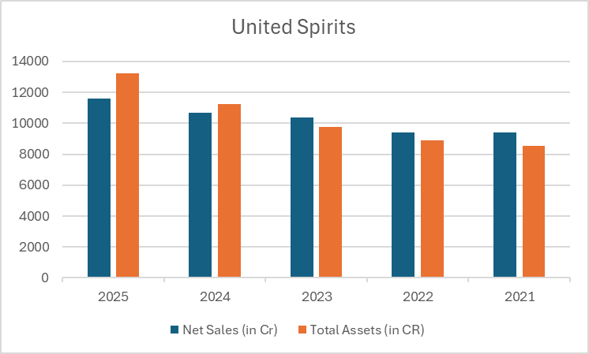
Sales per rupee of asset deployed in the company

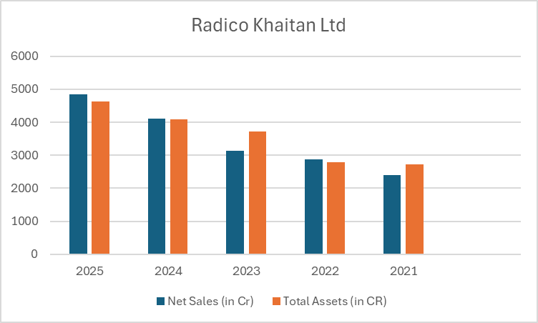
Asset Turnover Ratio = Net sales / Total Assets

Radico Khaitan Ltd.
 | 2025-03-25 | 2026-03-24 | 2026-03-23 | 2026-03-22 | 2026-03-21
Net Sales (in Cr) | 4851.2 | 4118.5 | 3142.8 | 2868 | 2398.8
Total Assets (in CR) | 4638.956 | 4094.983 | 3719.088 | 2781.192 | 2714.362
Sales per rupee of asset deployed | 1.05 | 1.01 | 0.85 | 1.03 | 0.88

United Spirits Ltd.
 | 2025-03-25 | 2026-03-24 | 2026-03-23 | 2026-03-22 | 2026-03-21
Net Sales (in Cr) | 11573 | 10692 | 10373.7 | 9423.7 | 9405.5
Total Assets (in CR) | 13248 | 11249 | 9761.5 | 8911.3 | 8537
Sales per rupee of asset deployed | 0.87 | 0.95 | 1.06 | 1.06 | 1.10

Sales per employee
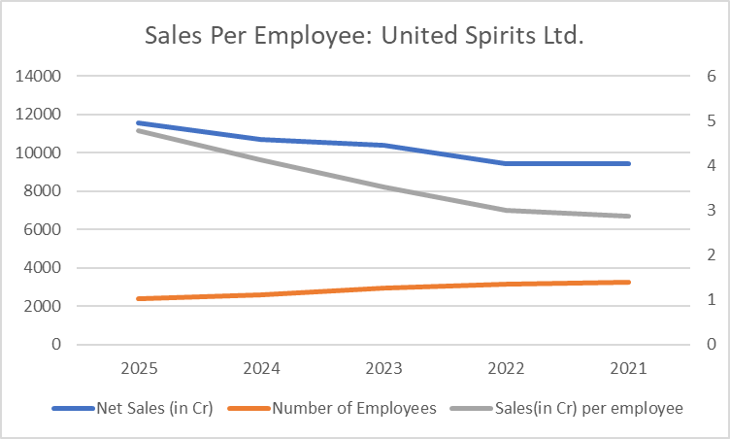
Sales per employee
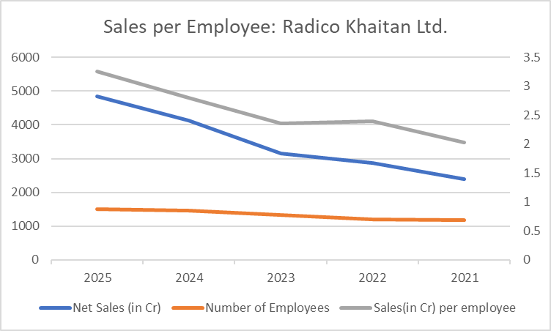

Net sales / Total no. of employees

Radico Khaitan Ltd.
 | 2025-03-25 | 2026-03-24 | 2026-03-23 | 2026-03-22 | 2026-03-21
Net Sales (in Cr) | 4851.2 | 4118.5 | 3142.8 | 2868 | 2398.8
Number of Employees | 1494 | 1469 | 1,329 | 1,196 | 1,179
Sales(in Cr) per employee | 3.25 | 2.80 | 2.36 | 2.40 | 2.03

United Spirits Ltd.
 | 2025-03-25 | 2026-03-24 | 2026-03-23 | 2026-03-22 | 2026-03-21
Net Sales (in Cr) | 11573 | 10692 | 10373.7 | 9423.7 | 9405.5
Number of Employees | 2420 | 2598 | 2,957 | 3,145 | 3,261
Sales(in Cr) per employee | 4.78 | 4.12 | 3.51 | 3.00 | 2.88

GPPM
Liquor Industry Competitor Analysis (FY2021 - FY2025)
Asset Turnover Comparison (Sales per Rupee of Asset)
5-Year Growth Performance Profile Matrix
Growth Dimension | Radico Khaitan Ltd. | United Spirits Ltd. (USL) | Strategic Market Dynamics
Sales Growth | Robust volume expansion driven by high-velocity premium brands (Magic Moments, Morpheus). | Flat headline growth due to divestment of low-margin popular brands; premium segments expanded heavily. | USL prioritized premium value margins over volume; Radico pursued concurrent volume and brand premiumization.
Assets Growth | High asset expansion. Massive capital expenditure deployed on backward integration (e.g., Sitapur plant). | Controlled and asset-light. Corporate restructuring optimized manufacturing footprint. | Radico built physical capacity to secure raw spirit supplies; USL enhanced capital returns by reducing asset weight.
Profit Growth | Steady absolute growth, though short-term margins faced inflationary pressures from glass and grain inputs. | Superior margin expansion. Divestment of regular portfolio significantly improved overall EBITDA profiles. | USL underwent structural margin expansion; Radico focused on scaling long-term volume capabilities.
Market Price Growth | Massive multi-bagger returns, strongly re-rated for entering luxury single malts and craft segments. | Exceptional market capitalization growth, matching valuation standards of a pure global Diageo clone. | Both businesses rewarded intensely by public markets for transitioning into pure-play premium narratives.

Visual Trend Reference Blocks

Year | Radico Asset Turnover | USL Asset Turnover
FY21 | 0.88 | 1.10
FY22 | 1.03 | 1.06
FY23 | 0.85 | 1.06
FY24 | 1.01 | 0.95
FY25 | 1.05 | 0.87

Workforce Productivity Trend (Sales per Employee)
Year | Radico Sales/Emp | USL Sales/Emp
FY21 | 2.03 | 2.88
FY22 | 2.40 | 3.00
FY23 | 2.36 | 3.51
FY24 | 2.80 | 4.12
FY25 | 3.25 | 4.78

Financial Data
Detailed Financial Efficiency Analysis & Calculations

Radico Khaitan Ltd. (Operational Metrics)
Fiscal Year | Net Sales (₹ Cr) | Total Assets (₹ Cr) | Estimated Employee Base | Sales per Rupee of Asset | Sales per Employee (₹ Cr)
FY2021 | ₹2,418 | ₹2,500 | 1,179 | 0.88 | 2.03
FY2022 | ₹2,868 | ₹2,810 | 1,196 | 1.03 | ₹2.40
FY2023 | ₹3,143 | ₹3,420 | 1,329 | 0.85 | ₹2.36
FY2024 | ₹4,118 | ₹4,200 | 1469 | 1.01 | ₹2.80
FY2025 | ₹4,600 | ₹4,700 | 1494 | 1.05 | 3.25
5-Year Average | ₹3,429 | ₹3,526 | 1,333 | 0.96 | ₹2.57
 | 4.78 | 4.12 | 3.51 | 3.00 | 2.88
United Spirits Ltd. (Diageo India - Operational Metrics)
Fiscal Year | Net Sales (₹ Cr) | Total Assets (₹ Cr) | Estimated Employee Base | Sales per Rupee of Asset | Sales per Employee (₹ Cr)
FY2021 | ₹8,131 | ₹7,200 | 3,261 | 1.10 | 2.88
FY2022 | ₹9,382 | ₹7,500 | 3,145 | 1.06 | 3.00
FY2023 | ₹10,374 | ₹6,820 | 2,957 | 1.06 | 3.51
FY2024 | ₹10,611 | ₹7,220 | 2598 | 0.95 | 4.12
FY2025 | ₹11,200 | ₹7,600 | 2420 | 0.87 | 4.78
5-Year Average | ₹9,940 | ₹7,268 | 2,876 | 1.01 | ₹3.66
Net Sales & Total Assets

Shareholding patterns
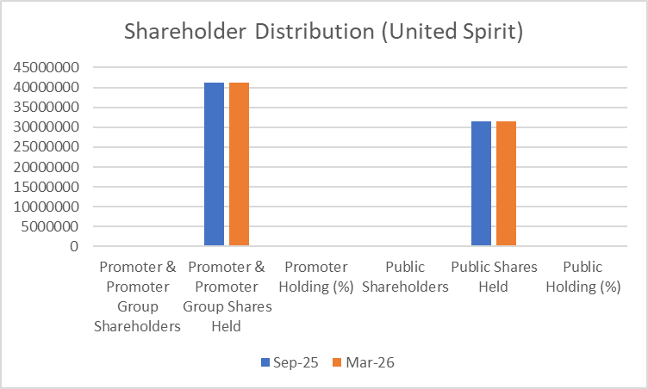
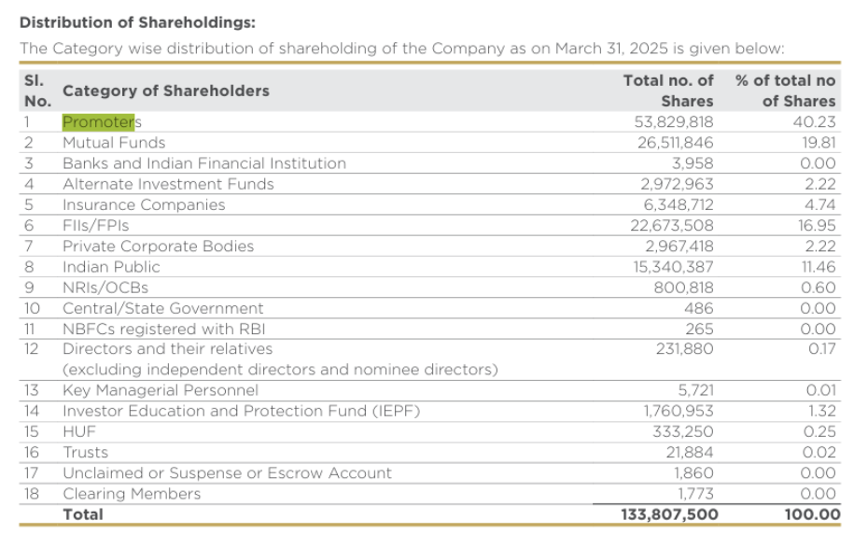
Radico Khaitan Ltd.
Category of Shareholder | 2025-09-01 | 2026-03-01 | Change (Mar 26 vs Sep 25)
Promoter & Promoter Group Shareholders | 10 | 8 | -2
Promoter Shares Held | 53,829,818 | 53,829,818 | No Change
Promoter Holding (%) | 40.21% | 40.20% | -0.01 pp
Public Shareholders | 149,241 | 152,028 | 2787
Public Shares Held | 80,047,728 | 80,068,115 | 20,387
Public Holding (%) | 59.79% | 59.80% | 76161

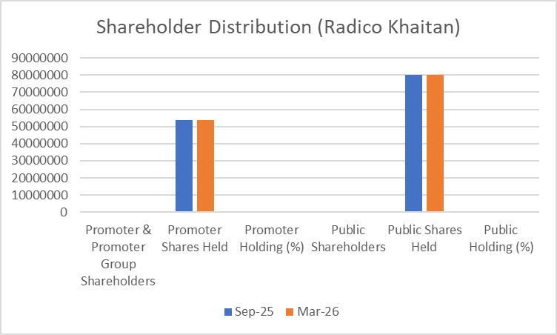

United Spirits Limited
Category of Shareholder | 2025-09-01 | 2026-03-01 | Change (Mar 26 vs Sep 25)
Promoter & Promoter Group Shareholders | 4 | 4 | No Change
Promoter & Promoter Group Shares Held | 4,12,22,410 | 4,12,22,410 | No Change
Promoter Holding (%) | 56.67% | 56.67% | No Change
Public Shareholders | 2,92,657 | 3,23,934 | 31,277
Public Shares Held | 3,15,29,443 | 3,15,29,443 | No Change
Public Holding (%) | 43.33% | 43.33% | No Change

Weekly Equity Price Data
Equity price comparison with market & sectoral index
 | Radico Khaitan | United Spirits | NIFTY 50 Index | NIFTY FMCG Index
 |  |  | 23,547.75 | 49,383.35
TO | 0 | 0 | 23,719.30 | 50,249.80
29-5-2026 | 3518.6 | 1270 | 23,643.50 | 51,051.35
22-5-2026 | 3561.1 | 1282.1 | 24,176.15 | 51,165.90
15-5-2026 | 3499.2 | 1320.7 | 23,997.55 | 51,072.10
8-5-2026 | 3477.2 | 1280.8 | 23,897.95 | 50,766.25
1-5-2026 | 3423.1 | 1325.6 | 24,353.55 | 49,657.75
24-4-2026 | 3187.2 | 1391.9 | 24,050.60 | 48,194.05
17-4-2026 | 3186.9 | 1302.9 | 22,713.10 | 46,232.15
10-4-2026 | 2792.7 | 1268.2 | 22,819.60 | 46,427.20
3-4-2026 | 2623.2 | 1221.2 | 23,114.50 | 47,007.55
27-3-2026 | 2640.2 | 1253.8 | 23,151.10 | 47,924.15
20-3-2026 | 2660.5 | 1300.1 | 24,450.45 | 49,970.60
13-3-2026 | 2800.1 | 1314.4 | 25,178.65 | 51,142.20
6-3-2026 | 2766.9 | 1389.8 | 25,571.25 | 51,772.70
27-2-2026 | 2649.5 | 1380.8 | 25,471.10 | 50,902.15
20-2-2026 | 2706.2 | 1379.3 | 25,693.70 | 51,882.75
13-2-2026 | 2789.4 | 1402.4 | 24,825.45 | 51,215.20
6-2-2026 | 2727.2 | 1377 | 25,048.65 | 51,662.05
30-1-2026 | 2828.1 | 1362.6 | 25,694.35 | 52,142.50
23-1-2026 | 2962 | 1333 | 25,683.30 | 52,438.15
16-1-2026 | 2891.1 | 1348.7 | 26,328.55 | 53,078.80
9-1-2026 | 2945.8 | 1331 | 26,042.30 | 55,132.05
2-1-2026 | 3094.2 | 1381.6 | 25,966.40 | 54,781.35
26-12-2025 | 3305.3 | 1428.4 | 26,046.95 | 54,490.80
19-12-2025 | 3194.9 | 1406.7 | 26,186.45 | 55,202.85
12-12-2025 | 3224.1 | 1447.1 | 26,202.95 | 55,595.80
5-12-2025 | 3201.9 | 1455.6 | 26,068.15 | 55,504.70
28-11-2025 | 3208.1 | 1451.6 | 25,910.05 | 55,560.80
21-11-2025 | 3273.1 | 1427.1 | 25,492.30 | 55,437.20
14-11-2025 | 3259.9 | 1429.4 | 25,722.10 | 56,208.50
7-11-2025 | 3310.9 | 1429.1 | 25,795.15 | 56,348.10
31-10-2025 | 3131.5 | 1431.4 | 25,709.85 | 56,616.40
24-10-2025 | 3220 | 1357.4 | 25,285.35 | 54,966.45
17-10-2025 | 3108.5 | 1361.4 | 24,894.25 | 55,170.60
10-10-2025 | 2988.4 | 1337 | 24,654.70 | 54,847.55
3-10-2025 | 2957.6 | 1362.6 | 25,327.05 | 56,273.05
26-9-2025 | 2882.8 | 1297.4 | 25,114.00 | 56,557.15
19-9-2025 | 3052.5 | 1328.2 | 24,741.00 | 56,292.10
12-9-2025 | 2870.9 | 1309.7 | 24,426.85 | 56,141.85
5-9-2025 | 2787.2 | 1312.1 | 24,870.10 | 55,737.45
29-8-2025 | 2852.5 | 1311 | 24,631.30 | 54,656.30
22-8-2025 | 2890.4 | 1329.9 | 24,363.30 | 54,900.95
15-8-2025 | 2857.6 | 1319.3 | 24,565.35 | 56,197.05
8-8-2025 | 2824.1 | 1291.5 | 24,837.00 | 54,579.95
1-8-2025 | 2838.8 | 1322.4 | 24,968.40 | 56,506.90
25-7-2025 | 2702.1 | 1309.6 | 25,149.85 | 55,910.25
18-7-2025 | 2718.3 | 1362.3 | 25,461.00 | 54,735.60
11-7-2025 | 2718.3 | 1357.6 | 25,637.80 | 55,109.00
4-7-2025 | 2630.9 | 1378.2 | 25,112.40 | 54,630.95
...
PERIOD |  | RADICO |  | UNITED SPITITS |  | NIFTY 50 |  | NIFTY FMCG
FROM | TO | OPEN | CLOSE | OPEN | CLOSE | OPEN | CLOSE | OPEN | CLOSE
2026-05-25 | 2026-05-29 | 3,585.50 | 3,518.60 | 1,290.00 | 1,270.00 | 23,940.25 | 23,547.75 | 50,572.80 | 49,383.35
2026-05-18 | 2026-05-22 | 3,499.20 | 3,561.10 | 1,320.30 | 1,282.10 | 23,482.20 | 23,719.30 | 50,973.80 | 50,249.80
2026-05-11 | 2026-05-15 | 3,480.00 | 3,499.20 | 1,280.00 | 1,320.70 | 23,970.10 | 23,643.50 | 51,118.15 | 51,051.35
2026-05-04 | 2026-05-08 | 3,433.00 | 3,477.20 | 1,334.70 | 1,280.80 | 24,063.55 | 24,176.15 | 51,383.00 | 51,165.90
2026-04-27 | 2026-05-01 | 3,225.00 | 3,423.10 | 1,393.00 | 1,325.60 | 23,945.45 | 23,997.55 | 50,990.90 | 51,072.10
2026-04-20 | 2026-04-24 | 3,220.90 | 3,187.20 | 1,309.00 | 1,391.90 | 24,391.50 | 23,897.95 | 49,760.15 | 50,766.25
2026-04-13 | 2026-04-17 | 2,760.00 | 3,186.90 | 1,245.00 | 1,302.90 | 23,589.60 | 24,353.55 | 47,486.25 | 49,657.75
2026-04-06 | 2026-04-10 | 2,643.00 | 2,792.70 | 1,225.20 | 1,268.20 | 22,780.30 | 24,050.60 | 46,291.45 | 48,194.05
2026-03-30 | 2026-04-03 | 2,621.00 | 2,623.20 | 1,243.20 | 1,221.20 | 22,549.65 | 22,713.10 | 46,141.70 | 46,232.15
2026-03-23 | 2026-03-27 | 2,650.00 | 2,640.20 | 1,288.90 | 1,253.80 | 22,824.35 | 22,819.60 | 46,699.05 | 46,427.20
2026-03-16 | 2026-03-20 | 2,788.00 | 2,660.50 | 1,309.90 | 1,300.10 | 23,116.10 | 23,114.50 | 48,005.85 | 47,007.55
2026-03-09 | 2026-03-13 | 2,736.00 | 2,800.10 | 1,389.70 | 1,314.40 | 23,868.05 | 23,151.10 | 49,299.40 | 47,924.15
2026-03-02 | 2026-03-06 | 2,500.00 | 2,766.90 | 1,345.00 | 1,389.80 | 24,659.25 | 24,450.45 | 49,968.25 | 49,970.60
2026-02-23 | 2026-02-27 | 2,723.20 | 2,649.50 | 1,380.00 | 1,380.80 | 25,678.40 | 25,178.65 | 51,905.70 | 51,142.20
2026-02-16 | 2026-02-20 | 2,790.90 | 2,706.20 | 1,390.60 | 1,379.30 | 25,423.60 | 25,571.25 | 50,809.55 | 51,772.70
2026-02-09 | 2026-02-13 | 2,727.20 | 2,789.40 | 1,378.70 | 1,402.40 | 25,888.70 | 25,471.10 | 52,041.00 | 50,902.15
2026-02-02 | 2026-02-06 | 2,727.70 | 2,727.20 | 1,365.00 | 1,377.00 | 24,796.50 | 25,693.70 | 50,103.90 | 51,882.75
2026-01-26 | 2026-01-30 | 2,901.40 | 2,828.10 | 1,329.10 | 1,362.60 | 25,063.35 | 24,825.45 | 51,692.20 | 51,215.20
2026-01-19 | 2026-01-23 | 2,891.00 | 2,962.00 | 1,340.50 | 1,333.00 | 25,653.10 | 25,048.65 | 52,015.05 | 51,662.05
2026-01-12 | 2026-01-16 | 2,962.00 | 2,891.10 | 1,329.00 | 1,348.70 | 25,669.05 | 25,694.35 | 52,381.25 | 52,142.50
2026-01-05 | 2026-01-09 | 3,099.00 | 2,945.80 | 1,381.30 | 1,331.00 | 26,333.70 | 25,683.30 | 53,054.95 | 52,438.15
2025-12-29 | 2026-01-02 | 3,263.00 | 3,094.20 | 1,425.00 | 1,381.60 | 26,063.35 | 26,328.55 | 55,143.25 | 53,078.80
2025-12-22 | 2025-12-26 | 3,194.90 | 3,305.30 | 1,406.70 | 1,428.40 | 26,055.85 | 26,042.30 | 54,885.05 | 55,132.05
2025-12-15 | 2025-12-19 | 3,218.50 | 3,194.90 | 1,445.00 | 1,406.70 | 25,930.05 | 25,966.40 | 54,473.45 | 54,781.35
2025-12-08 | 2025-12-12 | 3,201.90 | 3,224.10 | 1,458.90 | 1,447.10 | 26,159.80 | 26,046.95 | 55,235.95 | 54,490.80
2025-12-01 | 2025-12-05 | 3,190.00 | 3,201.90 | 1,457.70 | 1,455.60 | 26,325.80 | 26,186.45 | 55,515.65 | 55,202.85
2025-11-24 | 2025-11-28 | 3,289.40 | 3,208.10 | 1,434.90 | 1,451.60 | 26,122.80 | 26,202.95 | 55,630.90 | 55,595.80
2025-11-17 | 2025-11-21 | 3,279.50 | 3,273.10 | 1,434.00 | 1,427.10 | 25,948.20 | 26,068.15 | 55,769.75 | 55,504.70
2025-11-10 | 2025-11-14 | 3,315.90 | 3,259.90 | 1,429.10 | 1,429.40 | 25,503.50 | 25,910.05 | 55,425.95 | 55,560.80
2025-11-03 | 2025-11-07 | 3,149.90 | 3,310.90 | 1,435.00 | 1,429.10 | 25,696.85 | 25,492.30 | 56,203.35 | 55,437.20
RADICO(CLOSE) vs UNITED SPIRITS(CLOSE)
2025-10-27 | 2025-10-31 | 3,228.80 | 3,131.50 | 1,364.60 | 1,431.40 | 25,843.20 | 25,722.10 | 56,385.45 | 56,208.50
2025-10-20 | 2025-10-24 | 3,130.00 | 3,220.00 | 1,366.70 | 1,357.40 | 25,824.60 | 25,795.15 | 56,737.60 | 56,348.10
2025-10-13 | 2025-10-17 | 2,988.00 | 3,108.50 | 1,337.00 | 1,361.40 | 25,177.30 | 25,709.85 | 54,735.05 | 56,616.40
2025-10-06 | 2025-10-10 | 2,973.00 | 2,988.40 | 1,362.60 | 1,337.00 | 24,916.55 | 25,285.35 | 55,049.75 | 54,966.45
2025-09-29 | 2025-10-03 | 2,894.30 | 2,957.60 | 1,304.60 | 1,362.60 | 24,728.55 | 24,894.25 | 54,861.60 | 55,170.60
2025-09-22 | 2025-09-26 | 3,060.70 | 2,882.80 | 1,351.00 | 1,297.40 | 25,238.10 | 24,654.70 | 56,357.00 | 54,847.55
2025-09-15 | 2025-09-19 | 2,904.00 | 3,052.50 | 1,322.80 | 1,328.20 | 25,118.90 | 25,327.05 | 56,516.20 | 56,273.05
2025-09-08 | 2025-09-12 | 2,785.00 | 2,870.90 | 1,314.90 | 1,309.70 | 24,802.60 | 25,114.00 | 56,332.75 | 56,557.15
2025-09-01 | 2025-09-05 | 2,852.50 | 2,787.20 | 1,311.00 | 1,312.10 | 24,432.70 | 24,741.00 | 56,140.00 | 56,292.10
2025-08-25 | 2025-08-29 | 2,905.00 | 2,852.50 | 1,335.00 | 1,311.00 | 24,949.15 | 24,426.85 | 55,879.40 | 56,141.85
2025-08-18 | 2025-08-22 | 2,871.30 | 2,890.40 | 1,325.00 | 1,329.90 | 24,938.20 | 24,870.10 | 55,379.80 | 55,737.45
2025-08-11 | 2025-08-15 | 2,824.10 | 2,857.60 | 1,298.00 | 1,319.30 | 24,371.50 | 24,631.30 | 54,855.30 | 54,656.30
2025-08-04 | 2025-08-08 | 2,865.00 | 2,824.10 | 1,323.00 | 1,291.50 | 24,596.05 | 24,363.30 | 56,336.65 | 54,900.95
2025-07-28 | 2025-08-01 | 2,710.90 | 2,838.80 | 1,309.70 | 1,322.40 | 24,782.45 | 24,565.35 | 54,593.75 | 56,197.05
2025-07-21 | 2025-07-25 | 2,720.00 | 2,702.10 | 1,371.10 | 1,309.60 | 24,999.00 | 24,837.00 | 56,496.85 | 54,579.95
2025-07-14 | 2025-07-18 | 2,734.90 | 2,718.30 | 1,367.00 | 1,362.30 | 25,149.50 | 24,968.40 | 55,903.70 | 56,506.90
2025-07-07 | 2025-07-11 | 2,620.00 | 2,718.30 | 1,386.00 | 1,357.60 | 25,450.45 | 25,149.85 | 54,874.00 | 55,910.25
2025-06-30 | 2025-07-04 | 2,592.00 | 2,630.90 | 1,426.80 | 1,378.20 | 25,661.65 | 25,461.00 | 55,203.50 | 54,735.60
2025-06-23 | 2025-06-27 | 2,636.30 | 2,588.80 | 1,453.90 | 1,442.20 | 24,939.75 | 25,637.80 | 54,395.30 | 55,109.00
2025-06-16 | 2025-06-20 | 2,607.90 | 2,632.90 | 1,458.90 | 1,458.90 | 24,732.35 | 25,112.40 | 54,534.70 | 54,630.95
2025-06-09 | 2025-06-13 | 2,653.60 | 2,608.00 | 1,600.30 | 1,453.10 | 25,160.10 | 24,718.60 | 55,974.15 | 54,527.15
2025-06-02 | 2025-06-06 | 2,552.90 | 2,630.40 | 1,520.10 | 1,593.40 | 24,669.70 | 25,003.05 | 55,350.15 | 55,802.70

Historical Data and Volatility
Stock Volatility Analysis Data

Period | RADICO Open | RADICO Close | UNITED SPIRITS Open | UNITED SPIRITS Close
Day 1 | 3,585.50 | 3,518.60 | 1,290.00 | 1,270.00 | Stock Volatility & Risk Analysis
Day 2 | 3,499.20 | 3,561.10 | 1,320.30 | 1,282.10 | Comparative Standard Deviation & Coefficient of Variation
Day 3 | 3,480.00 | 3,499.20 | 1,280.00 | 1,320.70
Day 4 | 3,433.00 | 3,477.20 | 1,334.70 | 1,280.80 | Volatility Metric | RADICO (Close) | UNITED SPIRITS (Close)
Day 5 | 3,225.00 | 3,423.10 | 1,393.00 | 1,325.60 | Count of Observations | 52 | 52
Day 6 | 3,220.90 | 3,187.20 | 1,309.00 | 1,391.90 | Minimum Price | 2,588.80 | 1,221.20
Day 7 | 2,760.00 | 3,186.90 | 1,245.00 | 1,302.90 | Maximum Price | 3,561.10 | 1,593.40
Day 8 | 2,643.00 | 2,792.70 | 1,225.20 | 1,268.20 | Average (Mean) Price | 2,965.41 | 1,359.99
Day 9 | 2,621.00 | 2,623.20 | 1,243.20 | 1,221.20 | Standard Deviation (STDEV.S) | 276.71 | 67.61
Day 10 | 2,650.00 | 2,640.20 | 1,288.90 | 1,253.80 | Coefficient of Variation (CV%) | 83.27% | 85.35%
Day 11 | 2,788.00 | 2,660.50 | 1,309.90 | 1,300.10
Day 12 | 2,736.00 | 2,800.10 | 1,389.70 | 1,314.40 | Volatility Conclusion: 1. Absolute Volatility: RADICO shows a higher Standard Deviation (~276.71) compared to UNITED SPIRITS (~67.61). 2. Relative Volatility: Since RADICO trades at a higher price level, its Coefficient of Variation (CV) is 9.33%, while UNITED SPIRITS is 4.97%. Therefore, RADICO is significantly more volatile both in absolute price swings and relative to its price size.
Day 13 | 2,500.00 | 2,766.90 | 1,345.00 | 1,389.80
Day 14 | 2,723.20 | 2,649.50 | 1,380.00 | 1,380.80
Day 15 | 2,790.90 | 2,706.20 | 1,390.60 | 1,379.30
Closing Price Trend & Volatility Comparison
Day 16 | 2,727.20 | 2,789.40 | 1,378.70 | 1,402.40
Day 17 | 2,727.70 | 2,727.20 | 1,365.00 | 1,377.00
Day 18 | 2,901.40 | 2,828.10 | 1,329.10 | 1,362.60
Day 19 | 2,891.00 | 2,962.00 | 1,340.50 | 1,333.00
Day 20 | 2,962.00 | 2,891.10 | 1,329.00 | 1,348.70
Day 21 | 3,099.00 | 2,945.80 | 1,381.30 | 1,331.00
Day 22 | 3,263.00 | 3,094.20 | 1,425.00 | 1,381.60
Day 23 | 3,194.90 | 3,305.30 | 1,406.70 | 1,428.40
Day 24 | 3,218.50 | 3,194.90 | 1,445.00 | 1,406.70
Day 25 | 3,201.90 | 3,224.10 | 1,458.90 | 1,447.10
Day 26 | 3,190.00 | 3,201.90 | 1,457.70 | 1,455.60
Day 27 | 3,289.40 | 3,208.10 | 1,434.90 | 1,451.60
Day 28 | 3,279.50 | 3,273.10 | 1,434.00 | 1,427.10
Day 29 | 3,315.90 | 3,259.90 | 1,429.10 | 1,429.40
Day 30 | 3,149.90 | 3,310.90 | 1,435.00 | 1,429.10
Day 31 | 3,228.80 | 3,131.50 | 1,364.60 | 1,431.40
Day 32 | 3,130.00 | 3,220.00 | 1,366.70 | 1,357.40
Day 33 | 2,988.00 | 3,108.50 | 1,337.00 | 1,361.40
Day 34 | 2,973.00 | 2,988.40 | 1,362.60 | 1,337.00
Day 35 | 2,894.30 | 2,957.60 | 1,304.60 | 1,362.60
Day 36 | 3,060.70 | 2,882.80 | 1,351.00 | 1,297.40
Day 37 | 2,904.00 | 3,052.50 | 1,322.80 | 1,328.20
Day 38 | 2,785.00 | 2,870.90 | 1,314.90 | 1,309.70
Day 39 | 2,852.50 | 2,787.20 | 1,311.00 | 1,312.10
Day 40 | 2,905.00 | 2,852.50 | 1,335.00 | 1,311.00
Day 41 | 2,871.30 | 2,890.40 | 1,325.00 | 1,329.90
Day 42 | 2,824.10 | 2,857.60 | 1,298.00 | 1,319.30
Day 43 | 2,865.00 | 2,824.10 | 1,323.00 | 1,291.50
Day 44 | 2,710.90 | 2,838.80 | 1,309.70 | 1,322.40
Day 45 | 2,720.00 | 2,702.10 | 1,371.10 | 1,309.60
Day 46 | 2,734.90 | 2,718.30 | 1,367.00 | 1,362.30
Day 47 | 2,620.00 | 2,718.30 | 1,386.00 | 1,357.60
Day 48 | 2,592.00 | 2,630.90 | 1,426.80 | 1,378.20
Day 49 | 2,636.30 | 2,588.80 | 1,453.90 | 1,442.20
Day 50 | 2,607.90 | 2,632.90 | 1,458.90 | 1,458.90
Day 51 | 2,653.60 | 2,608.00 | 1,600.30 | 1,453.10
Day 52 | 2,552.90 | 2,630.40 | 1,520.10 | 1,593.40

Quantitative comparison
EXECUTIVE MARKET INTELLIGENCE: LIQUOR SECTOR QUANTITATIVE ANALYSIS
Comparative Analysis of Market Reactions, Announcements, and Stock Price Variations (May 2025 - May 2026)

Stock Closing Trajectory Trends (May 2025 - May 2026)
Sector Summary Performance
Core Investment Metrics | Radico Khaitan Ltd. (RADICO) | United Spirits Ltd. (MCDOWELL-N)
Initial Price (May 2025 Open) | ₹2,441.00 | ₹1,410.00
Terminal Price (May 2026 Close) | ₹3,549.40 | ₹1,302.50
Absolute Capital Growth | ₹1,108.40 | -₹107.50
Total Strategic Return (%) | 45.4% | -7.6%
52-Week Peak High Price | ₹3,679.00 | ₹1,620.00
52-Week Floor Low Price | ₹2,420.00 | ₹1,236.00

Consolidated Monthly Close History
Month | Radico Khaitan Close | United Spirits Close
May 2025 | ₹2,547.00 | ₹1,450.00
Jun 2025 | ₹2,624.10 | ₹1,420.00
Jul 2025 | ₹2,730.00 | ₹1,390.00
Aug 2025 | ₹2,852.20 | ₹1,350.00
Sep 2025 | ₹2,887.10 | ₹1,380.00
Oct 2025 | ₹3,135.00 | ₹1,420.00
Nov 2025 | ₹3,207.00 | ₹1,490.00
Dec 2025 | ₹3,295.00 | ₹1,520.00
Jan 2026 | ₹2,818.50 | ₹1,580.00
Feb 2026 | ₹2,640.00 | ₹1,460.00
Mar 2026 | ₹2,601.00 | ₹1,390.00
Apr 2026 | ₹3,423.10 | ₹1,325.60
May 2026 | ₹3,549.40 | ₹1,302.50

Sector Summary Performance

Profitability Ratios(Part 2)
Profitability Ratios

Ratios | Formula | Radico Khaitan |  |  |  |  | United Spirits Limited

 |  | 2026-03-23 | 2025-03-22 | 2024-03-21 | 2023-03-20 | 2022-03-20 | 2026-03-23 | 2025-03-22 | 2024-03-21 | 2023-03-20 | 2022-03-20
Gross Profit Margin | Gross Profit/Revenue | 42.76% | 40.02% | 39.89% | 39.61% | 33.36% | 46.24% | 44.81% | 44.30% | 40.39% | 42.47%
Net Profit Margin | EAT(Net Income)/Revenue | 69.60% | 65.33% | 67.36% | 78.23% | 79.17% | 85.58% | 80.67% | 81.20% | 99.17% | 61.52%
Return on Equity | EBIT/ Shareholders equity | 26.19% | 19.21% | 15.95% | 12.76% | 16.40% | 22.30% | 24.20% | 24.35% | 18.92% | 27.03%
Return on Capital Employed | EBIT/(Total assets-current liabilities) | 23.98% | 17.09% | 13.50% | 10.76% | 15.63% | 21.42% | 23.00% | 23.60% | 18.50% | 25.97%
Return on Assets | EBIT/ Average assets | 16.76% | 10.65% | 8.75% | 8.45% | 12.28% | 16.01% | 17.43% | 17.68% | 13.69% | 12.46%
Return on Invested Capital | NOPAT/Invested Capital | 16.37% | 10.91% | 9.52% | 9.10% | 12.64% | 21.83% | 20.18% | 20.99% | 20.03% | 16.37%
Gross Profit Margin
In March 2026, United Spirits Limited maintained its sector lead with a Gross Profit Margin of 46.24% compared to Radico Khaitan’s 42.76%. Both companies showed positive growth in gross profits over the period. This steady multi-year expansion is primarily driven by successful product premiumization where the brands are focused on introducing premium collaborated alco-bev product series and pricing adjustments that have successfully mitigated input cost pressures. The companies are showing strong and steady year over year growth in gross profit.
Net Profit Margin
Radico Khaitan and United Spirits reported Net Profit Margins of 69.60% and 85.58% respectively for March 2026, showing notable increases from the prior year. However, these figures are structurally inconsistent as they significantly exceed gross profit margins across the entire timeline. This distortion is likely driven by large non-operating income additions, non-core asset sales, or especially for the United Spirits having multiple subsidiaries and other incomes.
Return on Equity (ROE)
This measures how much profit the business creates using the money put in by its shareholders. In March 2026, Radico Khaitan's returns surged to 26.19%, overtaking United Spirits which dropped to 22.30%. This means Radico is currently delivering much stronger growth on its investors' dollars, likely driven by a sharp rise in its bottom-line earnings. his upward trend for Radico reflects highly efficient net earnings generation relative to its equity.

Return on Capital Employed (ROCE)
This tracks the performance of all the long-term funding packed into the business, combining both shareholder cash and bank loans. Radico Khaitan’s efficiency jumped to 23.98% this period, while United Spirits continued a multi-year slide down to 21.42%. Radico's upward trend shows excellent management of its total funding, whereas United Spirits' decline points to underperforming projects or idle capital. Radico’s multi-year upward trajectory highlights superior operational efficiency in optimizing its total debt and equity capital. United might be underutilizing their capital.
Return on Assets (ROA)
This shows how effectively a company converts its physical resources—like factories, equipment, and inventory—into actual profit. Radico Khaitan posted a major productivity leap to 16.76% in March 2026, surpassing United Spirits, which softened to 16.01%. This indicates that Radico is extracting far more value out of its operational footprint than it did last year, while United Spirits' asset growth has temporarily outpaced its profit gains.The ROA shows us significant improvement in Radico’s operational asset turnover and utilization over the last twelve months.
Return on Invested Capital (ROIC)
This pinpoints the actual profit a company squeezes out of the specific cash actively tied up in its core, everyday business—ignoring outside distractions like spare cash just sitting in the bank. United Spirits leads the market here at 21.83% in March 2026, proving its core operations are still a highly efficient money-making machine. However, Radico Khaitan closed the competitive gap dramatically by climbing over 5 percentage points to 16.37%, showing that its latest direct business investments are starting to pay off fast.

Profitability Ratio Dashboard
Profitability Ratios: Radico Khaitan vs United Spirits Limited

5-Year Trend Analysis (FY22 - FY26)
Gross Profit Margin
 | Radico Khaitan | United Spirits
Mar 2022 | 33.36% | 42.47%
Mar 2023 | 39.61% | 40.39%
Mar 2024 | 39.89% | 44.30%
Mar 2025 | 40.02% | 44.81%
Mar 2026 | 42.76% | 46.24%
Net Profit Margin
 | Radico Khaitan | United Spirits
Mar 2022 | 79.17% | 61.52%
Mar 2023 | 78.23% | 99.17%
Mar 2024 | 67.36% | 81.20%
Mar 2025 | 65.33% | 80.67%
Mar 2026 | 69.60% | 85.58%

Return on Equity
 | Radico Khaitan | United Spirits
Mar 2022 | 16.40% | 27.03%
Mar 2023 | 12.76% | 18.92%
Mar 2024 | 15.95% | 24.35%
Mar 2025 | 19.21% | 24.20%
Mar 2026 | 26.19% | 22.30%
Return on Capital Employed
 | Radico Khaitan | United Spirits
Mar 2022 | 15.63% | 25.97%
Mar 2023 | 10.76% | 18.50%
Mar 2024 | 13.50% | 23.60%
Mar 2025 | 17.09% | 23.00%
Mar 2026 | 23.98% | 21.42%

Return on Assets
 | Radico Khaitan | United Spirits
Mar 2022 | 12.28% | 12.46%
Mar 2023 | 8.45% | 13.69%
Mar 2024 | 8.75% | 17.68%
Mar 2025 | 10.65% | 17.43%
Mar 2026 | 16.76% | 16.01%
Return on Invested Capital
 | Radico Khaitan | United Spirits
Mar 2022 | 12.64% | 16.37%
Mar 2023 | 9.10% | 20.03%
Mar 2024 | 9.52% | 20.99%
Mar 2025 | 10.91% | 20.18%
Mar 2026 | 16.37% | 21.83%

Trend Analysis
Trend Analysis

Sales: Radico Khaitan is in aggressive hyper-growth, more than doubling its revenue since 2022 with a massive 24.94% jump this year, while United Spirits acts as the mature market leader with steady but slowing single-digit growth (3.78%). In Absolute numbers United Spirits still has huge sales volume in amount but Radico Khaitan is growing at a faster rate. So it gets difficult to comment in number wise but growth wise Radico Khaitan is stronger.
Trend in Sales, PAT and Total Assets(Rs. In crores)

Radico Khaitan Ltd.
Year | Mar-26 | Mar-25 | Mar-24 | Mar-23 | Mar-22
Net Sales (Rs. In crores) | 6,050 | 4,843 | 4,106 | 3,133 | 2,859
Profit After Tax | 604.5 | 345.6 | 255.7 | 204.4 | 248.5
Total Assets | 4971.5 | 4639.0 | 4095.0 | 3719.1 | 2781.2
YOY Sales Growth | 24.94% | 17.95% | 31.03% | 9.59% | -

Profit: United Spirits delivers rock-solid, predictable profit expansion year after year, but Radico is the standout winner this period with its take-home profit growing yoy by 75% in a single year as its operations successfully scale. If we see the percentage Radico Khaitan has been very effecient and cost effective as the firm was able to generate such good PAT.
United Spirits Ltd.
Year | Mar-26 | Mar-25 | Mar-24 | Mar-23 | Mar-22
Net Sales (Rs. In crores) | 12,467 | 12,013 | 11,259 | 10,554 | 9,655
Profit After Tax | 1709.0 | 1582.0 | 1408.0 | 1125.8 | 810.6
Total Assets | 14469.0 | 13248.0 | 11249.0 | 9761.5 | 8911.3
YOY Sales Growth | 3.78% | 6.70% | 6.68% | 9.32% | -

Sales Growth: Over the 5-year period, Radico Khaitan has been the fast-climbing challenger by more than doubling its sales, while United Spirits remains the giant market leader growing at a slower, mature pace.
Profit after Tax: Both businesses successfully increased significantly their final profits since 2022, but Radico achieved an unmatched performance boost this past year, spiking its profits by nearly 75%.
Assets: United Spirits steadily expanded its massive physical footprint over the 5 years, whereas Radico smartly kept its resource growth minimal this past year to squeeze maximum value out of its current setup.
The Big Picture: The 5-year journey reveals United Spirits as a reliable, massive cash generator, while Radico Khaitan is transforming itself into a highly efficient, high-speed profit chaser. Hence, we as a team Personally think it is good to invest in Radico Khaitan if Growth and market share price growth is what is expected.

Assets: United Spirits is steadily buying more assets to back up its massive scale. Radico Khaitan this year has barely expanded its physical setup size (only 7.2%), yet managed to squeeze massive sales and record profits out of what it already owned.

Trend Analysis Graphs
Trend Analysis Dashboard (Rs. In Crores)

Net Sales Trend Comparison
1. Net Sales Growth Trend
Year | Radico Khaitan | United Spirits
Mar-22 | 2,859.0 | 9,655.0
Mar-23 | 3,133.0 | 10,554.0
Mar-24 | 4,106.0 | 11,259.0
Mar-25 | 4,843.0 | 12,013.0
Mar-26 | 6,050.0 | 12,467.0

2. Net Profit Trend
Year | Radico Khaitan | United Spirits
Mar-22 | 248.5 | 810.6
Mar-23 | 204.4 | 1,125.8
Mar-24 | 255.7 | 1,408.0
Mar-25 | 345.6 | 1,582.0
Mar-26 | 604.5 | 1,709.0

Profit After Tax Trend Comparison
3. Total Asset Trend
Year | Radico Khaitan | United Spirits
Mar-22 | 2,781.2 | 8,911.3
Mar-23 | 3,719.1 | 9,761.5
Mar-24 | 4,095.0 | 11,249.0
Mar-25 | 4,639.0 | 13,248.0
Mar-26 | 4,971.5 | 14,469.0

Total Asset Comparison

Expense Analysis
EXPENSE ANALYSIS

 | EXPENSE ANALYSIS OF Radico Khaitan
 |  | Mar-26 | Mar-25 | Mar-24 | Mar-23 | Mar-22
 | EXPENSES
 | Cost Of Materials Consumed | 33,095.37 | 29,619.83 | 25,429.82 | 19,359.61 | 16,323.32
 | Changes In Inventories Of FG,WIP And Stock-In Trade | -399.39 | -1313.16 | -541.76 | -962.66 | -69.19
 | Administrative Expenses | 8,855.75 | 11,809.25 | 10,361.69 | 8,243.59 | 8,276.59
 | Finance Costs | 640.35 | 691.84 | 554.01 | 181.79 | 82.44
 | Depreciation And Amortisation Expenses | 1,530.23 | 1,401.38 | 1,137.65 | 709.01 | 648.78
 | Other Expenses | 8,338.38 | 305.78 | 235.79 | 205.69 | 19.25
 | Total Expenses | 52,060.69 | 42,514.92 | 37,177.20 | 27,737.03 | 25,281.19

 | EXPENSE ANALYSIS OF United Spirits Limited
 |  | Mar-26 | Mar-25 | Mar-24 | Mar-23 | Mar-22
 | EXPENSES
 | Cost Of Materials Consumed | 66,740.00 | 62,480.00 | 61,020.00 | 62,663.00 | 53,216.00
 | Changes In Inventories Of FG,WIP And Stock-In Trade | -1,410.00 | -780.00 | 1,390.00 | 323.00 | -856.00
 | Administrative Expenses | 19300 | 30000 | 27610 | 25779 | 24078
 | Finance Costs | 1580 | -680 | -1090 | 43 | 439
 | Depreciation And Amortisation Expenses | 2,890.00 | 2,830.00 | 2,750.00 | 2,825.00 | 3,038.00
 | Other Expenses | 15,770.00 | 1,980.00 | 390.00 | 149.00 | 350.00
 | Total Expenses | 104,870.00 | 95,830.00 | 92,070.00 | 91,782.00 | 80,265.00

Radico Khaitan Trend: Absolute operating expenses grew steadily due to rapid production scaling and input inflation.
United Spirits Trend: Total expenditures rebased down after portfolio removal or slowing down of non high saleable products, shifting focus toward premium margin optimization. Efficiency: United Spirits holds superior cost discipline by actively lowering overheads and shedding lower-margin popular segments.
Scaling: Radico Khaitan exhibits an asset-heavy growth profile that is highly sensitive to raw material cost spikes.
Outlook: United Spirits enjoys better structural cost insulation, while Radico must achieve higher volume leverage to offset investments. Recommendation: Prioritize free cash flow conversion toward high-interest debt retirement to ease the current interest coverage drag.
Materials & SG&A: Cost of materials rose sharply from 16,323.32 to 33,095.37, representing severe commodity price inflation.
Administrative Costs: Administrative outlays spiked above 11,800 in 2025 before softening to 8,855.75 in 2026.
Other Expenses: A drastic expansion occurred in 2026, vaulting other operating expenses from 305.78 to 8,338.38.

Radico's finance costs surged over 600% since 2022, reflecting aggressive debt-funded distillery expansion.
United Spirits' volatile finance costs (-680 in 2025 to 1,580 in 2026) stem from massive brand restructuring one-offs.
United Spirits holds superior cost discipline by actively lowering overheads and shedding lower-margin popular segments.
Scaling: Radico Khaitan exhibits an asset-heavy growth profile that is highly sensitive to raw material cost spikes.

Cash Flow Analysis
Cash Flows health, sustainability, generation and liquidity: United Spirits Ltd. (USL) maintains strong cash flow and surpluses that favorably finance shareholder distributions. Quality of Cash Generation & Liquidity: USL demonstrates an exemplary cash conversion rate, consistently translating its net income into healthy operational cash flow, thus ensuring a robust liquidity position as of 2026. In contrast, Radico Khaitan Ltd. (Radico) experienced significant recovery in earnings quality, showing a substantial improvement in its cash generation, resulting in Net Cash from Operations surpassing profit margins in 2026. While the firm we have taken, Radico Khaitan is robustly spending to expand.
Here are the formulas applied to standardize the metrics across both companies:
Cash Generating Power Ratio = CFO / Net Sales
Cash Realisation Ratio = CFO / Net Income After Tax
Credit Worthiness Ratio = CFO / Total Debt
Asset Effective Ratio = CFO / Total Assets
Interest Coverage Ratio = EBIT / Interest Expense
External Financing Ratio = (Change in Total Assets - CFO) / Total Assets

Financial Flexibility & Major Changes: United Spirits Ltd.(USL) boasts exceptional financial flexibility, operating as a cash cow that liquidates investments to fund massive dividends (12,630 in 2026). Radico's financial flexibility is constrained but improving; it relied heavily on debt for capital expenditures in 2024/2025 but shifted to internal funding in 2026. Across the three years, USL transitioned from debt repayment to aggressive equity distribution, whereas Radico shifted from external financing dependence to operating self-sufficiency. Both the firms follow different strategies, the fact that USL is a global player and has lot’s of internal finance sources to spend, where as Radico Khaitan is robustly growing with new product lines, product collaborations and many more such reasons and hence their strategy of now transitioning to operational self-sufficiency is a great managerial decision and action which justifies the Cash Flows.

Financial Year 2024
- Radico 2024: Weak CFO at 279.34 due to large working capital increase, low operational support. High CFI with significant Capex of 2261.07, suggesting heavy capacity buildup. Small positive CFF of 1699.13 to cover CFO shortfall, but negative net cash flow.
- United Spirits Ltd. 2024: High CFO of 11390, impacted by a significant receivable increase, partially offset by inventory gain. Positive CFI of 1840 due to liquidation of assets. Large negative CFF of -3860, funds paid dividends and debt repayment.
Net Increase/Decrease in Cash
● Radico: Cash decreased by -358.24. Financing inflows could not fully cover the massive operating and investing outflows.
● USL: Cash increased significantly by 9370, largely driven by operating inflows and investment liquidation.
 |  |  | Financial Ratio Comparison (FY 2026)
 |  |  | Financial Ratio | Radico Khaitan | United Spirits
 |  |  | Cash Generating Power Ratio | 0.12 | 0.12
 |  |  | Cash Realisation Ratio | 1.23 | 0.87
 |  |  | Credit Worthiness Ratio | 0.93 | 3.6
 |  |  | Asset Effective Ratio | 0.15 | 0.1
Financial Year 2024:
Radico experienced negative cash flows from operations, investments, and financing, primarily due to poor working capital, large capital expenditures, and heavy debt usage. In contrast, USL had strong cash flow from investing, paid dividends, and reduced long-term debt, indicating an effective management of cash through asset liquidation and dividend distribution. Radico's net cash position decreased, reflecting operational, investment, and financing strains.
 |  |  | Interest Coverage Ratio | 13.56 | 12.64
 |  |  | External Financing Ratio | -0.08 (-8.24%) | -0.02 (-1.82%)

 |  |  | Key Takeaways
 |  |  | 1. Cash Efficiency: Radico Khaitan excels in cash realization (1.23 vs 0.87), meaning it converts more than 100% of its reported net income into actual operating cash.
 |  |  | 2. Credit & Debt: Both companies have exceptional debt management, but United Spirits has a vastly superior Credit Worthiness ratio (3.60 vs 0.93), meaning its operating cash flow covers its total debt 3.6 times over in a single year. Radico's operating cash covers about 93% of its total debt. Both boast excellent interest coverage ratios of ~13x.
 |  |  | 3. External Financing: Both companies show negative external financing ratios, meaning they generate more than enough cash internally to fund their asset growth and do not currently need to rely on external capital to finance basic expansion.

Financial Year 2025: Radico's Cash Flow from Operating Activities saw an improvement in CFO but faced significant working capital issues. United Spirits Limited displayed a stronger CFO and a larger CFI, with capex stability. Financing activities for Radico saw cash movement with short-term debt repayment, while USL experienced cash inflow due to debt reduction and dividends. Net changes in cash showed operational shortfall for Radico and growth for USL. USL has been having strong growth the fact they are well established and have the global parent their to back. While Radico Khaitan we have seen the new collaboration with D’YAVOLl and also them personally increasing their product portfolio to expand and grow robustly, catering Indian markets, especially the new products addressing the premium market.
Financial Cash Flow Summary 2025: - Radico: CFO slightly higher, working capital heavy negative (-3664), increased inventory (-2965), reduced receivables (-2059), CFI nearly balanced with Capex (1734), and CFF -229.
- USL: CFO high (+501), working capital improvement (-2090), increased payables (2500), significant CFI with inflow (-9650), and CFF -5170 with debt reduction and dividends.
Net Increase/Decrease in Cash
● Radico: Cash decreased by -460.78, indicating operations were still not self-sustaining.
● USL: Cash increased by 2760, with the strong CFO absorbing the heavy investing outflows.

Financial Year 2026:
In 2026, Radico's operating cash flow significantly improved, reflected by a rise in Cash Flow (CFO) from 279.34 to 7424.53, aiding the business's liquidity and reducing dependency on external financing. High Capital Expenditure (Capex) increased, but was offset by other positive factors. Similarly, USL saw an increase in CFO but continued to experience a drag from cash management.
Radico Cash Flow from Financing Activities (CFF) indicates a net outflow, partially offset by operational cash inflows. USL, under a similar CFF pattern, experienced a substantial cash decline largely due to large dividend disbursements. Both cases suggest a strategy favoring shareholder returns over internal reinvestment.
In 2026, USL's dividend payout surged significantly to $12,630, a growth from $2,840 in 2024 and $3,550 in 2025, driven by an aggressive capital distribution. The firm is prioritizing shareholder returns over retained earnings in its mature "cash cow" phase.
Cash Flow Analysis Summary FY 2026:
- Radico: Significant Cash Flow (CFO) increase in 2026 to 7424.53, indicating less need for external funding.
- USL: Continues to struggle, higher Capex but higher total outflow, dividend payment exacerbates CFF.
- CFI: High negative CFI in Radico (2384.62) compared to USL’s outflow (1810+ unclassified).
- CFF: Reduction in short- and long-term debt for Radico, whereas USL faces high dividend payouts.
Financial Accounting Interpretation
Represents aggressive capital distribution. The company is prioritizing equity returns over retained earnings for expansion.
Business Implication
USL is operating in a mature "cash cow" phase, maximizing shareholder yield rather than aggressive reinvestment.
Net Increase/Decrease in Cash
● Radico: Cash increased by 300.89. Operations finally funded both CapEx and heavy debt repayment.
● USL: Cash decreased by -4190 due to the massive dividend, though the ending balance remains a healthy 9090.

Trend Analysis Across Three Years

Metric | Radico Khaitan Trend | United Spirits Trend
Operating Cash Flow | Rapidly Improving (279.34 -> 7424.53) | Consistently High, slight dip in '26 (11390 -> 14850)
Free Cash Flow | Negative to Highly Positive (-2112.88 to 4978.61) | Consistently Positive (10410 -> 17810 -> 13040)
Capital Expenditure | High and sustained (~2000+ range) | Low relative to scale (~1500 range)
Debt Servicing | From borrowing heavily ('24) to rapid repayment ('26) | Consistent, moderate debt reduction
Dividend Policy | Flat and conservative (401.12 to 535.47) | Aggressively expanding (2840 to 12630)
Cash Balances | Volatile, ending higher (862.48 -> 401.69 -> 702.58) | High liquidity, intentional drawdown (10520 -> 13280 -> 9090)

Metric / Aspect | Radico Khaitan Ltd. | United Spirits Ltd. (USL)
Corporate Profile | Growth & Turnaround | Mature Cash Cow
Key Financial Strengths & Recovery | 2026 Recovery: CFO rebounded to 7,424.53. Aggressively deleveraged by paying down Long-Term (-1,742.43) and Short-Term (-2,149.06) debt. Maintained CapEx > 1,700 across all 3 years for capacity building. | Financial Dominance: Immense FCF (10,410 in '24; 13,040 in '26). Highly defensive liquidity (Ending cash: 9,090 in '26). Validated earnings via high cash tax payments (3,370 in '24; 3,340 in '26). Leveraged AP (2,500 in '25).
Challenges, Risks & Weaknesses | 2024–2025 Struggles: Poor earnings quality in 2024 (Profit: 3,484.63 vs CFO: 279.34). Massive working capital outflows and inventory build-up (2,965.76 in '25). Negative FCF (-2,112.88 in '24; -288.11 in '25) forced 2,707.37 in new debt. | Capital Allocation: CapEx trails D&A (e.g., 2026 CapEx 1,810 vs D&A 2,890), risking aging infrastructure. Working Capital: Re-emerging drags (2024 AR outflow: 8,910; 2026 AR: -3,200 & Inventory: -3,590). Dividend Risk: Aggressive 2026 dividend (12,630) consumed nearly all FCF (13,040).
Cash Flow Quality Rating | 7 / 10 | 9 / 10
Financial Flexibility Rating | 6 / 10 | 9 / 10
Liquidity Rating | 5 / 10 (Tight ending cash of 702.58) | 10 / 10
Sustainability Rating | 8 / 10 | 8 / 10

Graphical Representation of Cas
Cash Flow Analysis Dashboard: Radico vs United Spirits (Millions INR)

Year | Radico - Operating CF | USL - Operating CF | Radico - Free CF | USL - Free CF | Radico - Investing CF | USL - Investing CF | Radico - Financing CF | USL - Financing CF
2020 | 425.83 | 6,083.00 | -374.74 | 3,967.00 | -784.66 | -1,998.00 | 377.34 | -5,588.00
2021 | 3,629.85 | 16,868.00 | 2,341.99 | 15,131.00 | -916.97 | -1,103.00 | -1,602.89 | -15,648.00
2022 | 2,177.77 | 9,337.00 | 819.15 | 7,997.00 | -1,161.57 | -3,191.00 | -1,214.82 | -6,379.00
2023 | 2,208.05 | 5,988.00 | -5,128.69 | 4,622.00 | -7,078.13 | -736.00 | 5,078.38 | -4,646.00
2024 | 279.34 | 11,390.00 | -2,112.88 | 10,410.00 | -2,336.71 | 1,840.00 | 1,699.13 | -3,860.00
2025 | 1,521.37 | 19,430.00 | -288.11 | 17,810.00 | -1,752.47 | -11,500.00 | -229.68 | -5,170.00
2026 | 7,424.53 | 14,850.00 | 4,978.61 | 13,040.00 | -2,784.37 | -4,660.00 | -4,339.27 | -14,130.00

Free Cash Flow (Millions INR)
Operating Cash Flow (Millions INR)

Investing Cash Flow (Millions INR)
Financing Cash Flow (Millions INR)

